Fresh Food Project Order
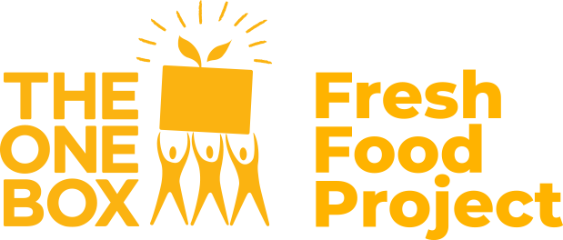 |  |  |  | Sender / Billing Details These details will appear on your invoice. Please ensure they match your billing requirements.
 |  |  |  | Name:
Fresh Food Project - Bulk Orders |  |  |  | Email:
 |  |  |  | Mobile:
1. Complete the Sender / Billing Details to the right

2. Complete the order form below * Please complete all fields for each delivery location * Refer to Available Boxes tab for box types and sample menus * Ensure that each address is correct as a redelivery fee of $12.50 will apply if the address is incorrect

3. Email your completed form to freshfoodproject@theonebox.org.au and we will email through your quote and delivery day
* Orders required by 12noonpm AEST Friday prior to your delivery week * By completing your order you are agreeing to our Fresh Food Project Terms & Conditions
Read the Terms and Conditions.

Order Details (example) |  |  |  | Recipient Details |  |  |  |  |  |  | OFFICE USE ONLY
Delivery Week Tuesday to Friday only (excl. public holidays) | Box Type Select from drop-down list | Quantity Order minimum of 10 boxes (total) applies per location | Address Type Select from drop-down list | Full Name | Company Name (if applicable) | Street No. and Name | State | Suburb | Postcode | Delivery instructions Applicable instructions for driver access | Box Cost | Delivery Fee | Sub-total
Example |  |  |  | Example
Tuesday 23 - Friday 26 March | Small Fruit & Vegie Box $8.50 | 2 | Business Address | Vivien Yii | The One Box | 56-62 Bakehouse Road | VIC | Kensington | 3031 | Please enter from the main carpark. Go up the stairs to the right of the entrance and deliver to the corridor on the right hand side of the staircase. Call Pam on 04XX XXX XXX if any issues.
 | Regular Fruit & Vegie Box $12.50 | 3
 | Family Fruit & Vegie Box $16.50 | 5

 |  |  |  |  |  |  |  |  |  |  |  | Total | $0.00

